Home
Chandan | Store Metric Hub Dashboard

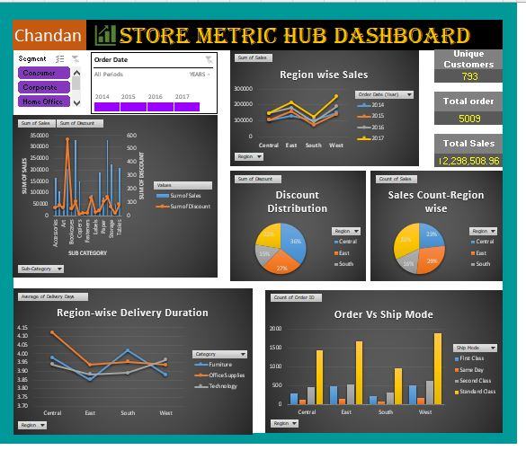
Dashboard

Pivot

Sub Cat & Discount

Sales &Discount

Category Per order

Delivery Duration

Dashboard
Chandan | Store Metric Hub Dashboard

Region wise Sales
 | 2014 | 2015 | 2016 | 2017
Central | 103838.1646 | 102874.222 | 147429.376 | 147307.4282
East | 128680.457 | 156332.057 | 180685.822 | 213549.746
South | 103845.8435 | 71359.9805 | 93610.2235 | 123500.1675
West | 147883.033 | 139966.2495 | 187480.1765 | 250166.0135
 |  | Unique Customers

 |  | 793

 |  | Total order

 | Sum of Sales | Sum of Discount
Accessories | 167380.318 | 60.8
Appliances | 107741.461 | 77.6
Art | 27153.372 | 59.6
Binders | 203500.133 | 567.6
Bookcases | 115203.1323 | 48.34
Chairs | 329008.833 | 105
Copiers | 149528.03 | 11
Envelopes | 16476.402 | 20.4
Fasteners | 3027.304 | 18
Furnishings | 91705.164 | 132.4
Labels | 12486.312 | 25
Machines | 189238.631 | 35.2
Paper | 78479.206 | 102.6
Phones | 330097.984 | 137.4
Storage | 223843.608 | 63.2
Supplies | 46673.538 | 14.6
Tables | 206965.532 | 83.35
 |  | 5009

 |  | Total Sales

 |  | ₹ 2,298,508.96
Discount Distribution
 | Total
Central | 558.34
East | 414.4
South | 238.55
West | 350.8
Sales Count-Region wise
 | Total
Central | 2324
East | 2851
South | 1623
West | 3206

Region-wise Delivery Duration
 | Furniture | Office Supplies | Technology
Central | 3.98 | 4.12 | 3.94
East | 3.85 | 3.94 | 3.88
South | 4.02 | 3.95 | 3.89
West | 3.88 | 3.94 | 3.96
Order Vs Ship Mode
 | First Class | Same Day | Second Class | Standard Class
Central | 299 | 120 | 465 | 1440
East | 490 | 155 | 530 | 1676
South | 234 | 83 | 332 | 974
West | 515 | 185 | 621 | 1885

